2. Seed Funding
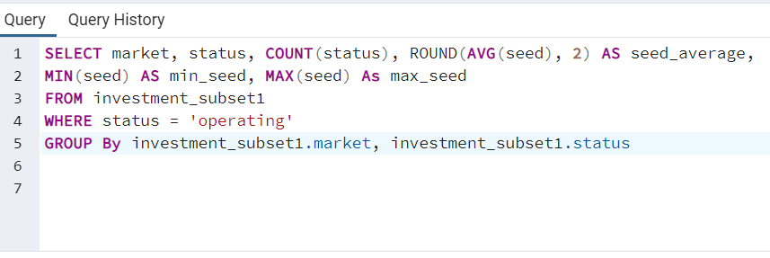
market | status | count | seed_average | min_seed | max_seed
Financial Services | operating | 101 | 514343.42 | 0 | 4400000

4. Total Funding USD
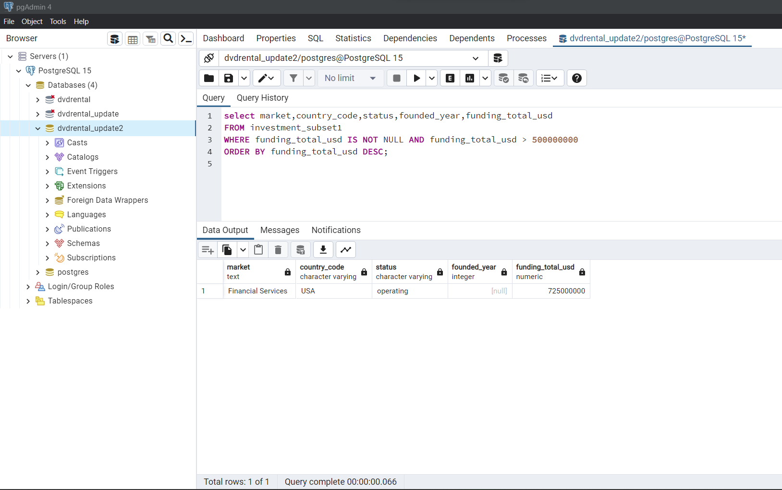
market | country_code | status | founded_year | funding_total_usd
Financial Services | USA | operating | NULL | 725000000

5. Total Funding USD no outlier
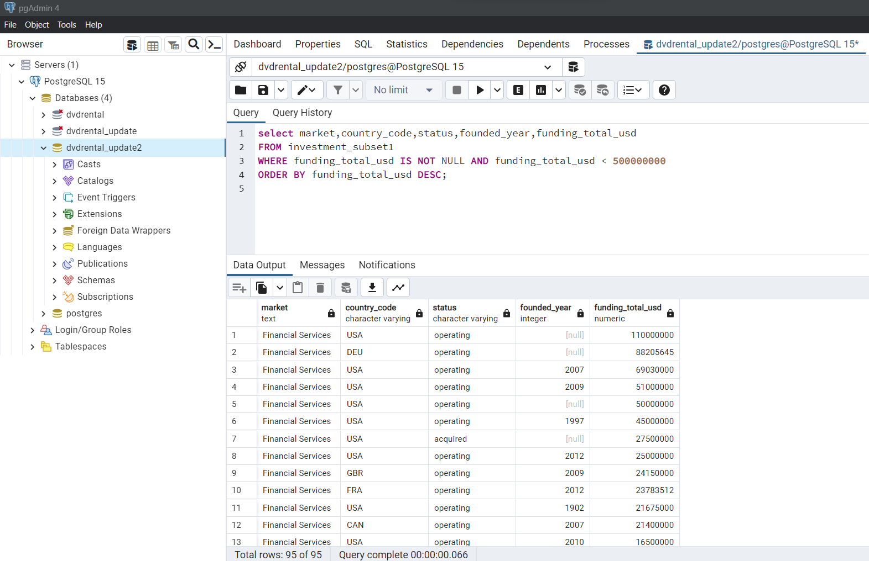
market | funding_total_usd | status | country_code | founded_year | seed | venture | equity_crowdfunding | undisclosed | convertible_note | debt_financing | private_equity
Financial Services | 110000000 | operating | USA | NULL | 0 | 0 | 0 | 0 | 0 | 0 | 110000000
Financial Services | 88205645 | operating | DEU | NULL | 0 | 0 | 0 | 0 | 0 | 0 | 0
Financial Services | 69030000 | operating | USA | 2007 | 1100000 | 67930000 | 0 | 0 | 0 | 0 | 0
Financial Services | 51000000 | operating | USA | 2009 | 0 | 51000000 | 0 | 0 | 0 | 0 | 0
Financial Services | 50000000 | operating | USA | NULL | 0 | 0 | 0 | 0 | 0 | 0 | 50000000
Financial Services | 45000000 | operating | USA | 1997 | 0 | 0 | 0 | 0 | 0 | 45000000 | 0
Financial Services | 27500000 | acquired | USA | NULL | 0 | 0 | 0 | 27500000 | 0 | 0 | 0
Financial Services | 25000000 | operating | USA | 2012 | 0 | 25000000 | 0 | 0 | 0 | 0 | 0
Financial Services | 24150000 | operating | GBR | 2009 | 0 | 23150000 | 0 | 0 | 0 | 1000000 | 0
Financial Services | 23783512 | operating | FRA | 2012 | 1323515 | 7476573 | 0 | 0 | 0 | 14983424 | 0
Financial Services | 21675000 | operating | USA | 1902 | 0 | 3100000 | 0 | 0 | 0 | 0 | 0
Financial Services | 21400000 | operating | CAN | 2007 | 400000 | 13000000 | 0 | 0 | 0 | 0 | 0
Financial Services | 16500000 | operating | USA | 2010 | 0 | 16500000 | 0 | 0 | 0 | 0 | 0
Financial Services | 16300000 | operating | BRA | 2013 | 2000000 | 14300000 | 0 | 0 | 0 | 0 | 0
Financial Services | 16135004 | operating | USA | 2008 | 0 | 16135004 | 0 | 0 | 0 | 0 | 0
Financial Services | 15000000 | acquired | USA | 2000 | 0 | 15000000 | 0 | 0 | 0 | 0 | 0
Financial Services | 15000000 | NULL | RUS | 2011 | 0 | 15000000 | 0 | 0 | 0 | 0 | 0
Financial Services | 14000000 | operating | USA | 2007 | 0 | 7000000 | 0 | 0 | 0 | 0 | 7000000
Financial Services | 12100000 | operating | USA | NULL | 0 | 7900000 | 0 | 4200000 | 0 | 0 | 0
Financial Services | 11000000 | operating | NULL | 2012 | 1000000 | 10000000 | 0 | 0 | 0 | 0 | 0
Financial Services | 10000000 | NULL | USA | 2007 | 0 | 0 | 0 | 0 | 0 | 10000000 | 0
Financial Services | 10000000 | operating | CHN | 2006 | 0 | 10000000 | 0 | 0 | 0 | 0 | 0
Financial Services | 10000000 | operating | USA | 2003 | 0 | 10000000 | 0 | 0 | 0 | 0 | 0
Financial Services | 8199999 | operating | USA | NULL | 0 | 8199999 | 0 | 0 | 0 | 0 | 0
Financial Services | 8000000 | operating | USA | NULL | 0 | 8000000 | 0 | 0 | 0 | 0 | 0
Financial Services | 7540000 | operating | NULL | 2013 | 3770000 | 3770000 | 0 | 0 | 0 | 0 | 0
Financial Services | 6400000 | operating | USA | 2011 | 1400000 | 5000000 | 0 | 0 | 0 | 0 | 0
Financial Services | 6200000 | operating | LVA | NULL | 0 | 6200000 | 0 | 0 | 0 | 0 | 0
Financial Services | 5613564 | operating | USA | 2011 | 967750 | 4645814 | 0 | 0 | 0 | 0 | 0
Financial Services | 5130000 | operating | USA | 2008 | 0 | 5130000 | 0 | 0 | 0 | 0 | 0
Financial Services | 5000000 | operating | USA | NULL | 0 | 5000000 | 0 | 0 | 0 | 0 | 0
Financial Services | 5000000 | NULL | USA | 2002 | 0 | 0 | 0 | 0 | 0 | 5000000 | 0
Financial Services | 4700000 | operating | USA | 2012 | 4000000 | 0 | 0 | 0 | 0 | 0 | 0
Financial Services | 4496166 | operating | JPN | 2008 | 1196166 | 3300000 | 0 | 0 | 0 | 0 | 0
Financial Services | 4400000 | operating | USA | 2012 | 4400000 | 0 | 0 | 0 | 0 | 0 | 0
Financial Services | 4099999 | operating | USA | 2012 | 4099999 | 0 | 0 | 0 | 0 | 0 | 0
Financial Services | 4000000 | operating | ARG | 2000 | 0 | 4000000 | 0 | 0 | 0 | 0 | 0
Financial Services | 4000000 | operating | CHN | 2011 | 0 | 4000000 | 0 | 0 | 0 | 0 | 0
Financial Services | 3500000 | operating | NULL | 2013 | 3500000 | 0 | 0 | 0 | 0 | 0 | 0
Financial Services | 3351100 | operating | GBR | 2014 | 3351100 | 0 | 0 | 0 | 0 | 0 | 0
Financial Services | 3161435 | operating | DEU | NULL | 3161435 | 0 | 0 | 0 | 0 | 0 | 0
Financial Services | 3000000 | operating | IND | 2013 | 3000000 | 0 | 0 | 0 | 0 | 0 | 0
Financial Services | 3000000 | operating | USA | NULL | 0 | 0 | 0 | 0 | 0 | 3000000 | 0
Financial Services | 2485000 | operating | USA | 2003 | 0 | 0 | 0 | 2485000 | 0 | 0 | 0
Financial Services | 2000000 | operating | RUS | NULL | 0 | 0 | 0 | 2000000 | 0 | 0 | 0
Financial Services | 2000000 | operating | USA | NULL | 0 | 2000000 | 0 | 0 | 0 | 0 | 0
Financial Services | 2000000 | NULL | RUS | NULL | 0 | 2000000 | 0 | 0 | 0 | 0 | 0
Financial Services | 2000000 | operating | USA | 2014 | 2000000 | 0 | 0 | 0 | 0 | 0 | 0
Financial Services | 1800000 | operating | USA | 2004 | 0 | 1800000 | 0 | 0 | 0 | 0 | 0
Financial Services | 1500000 | operating | USA | 2008 | 1500000 | 0 | 0 | 0 | 0 | 0 | 0
Financial Services | 1500000 | operating | USA | 2012 | 0 | 1500000 | 0 | 0 | 0 | 0 | 0
Financial Services | 1400000 | operating | USA | 2009 | 0 | 1400000 | 0 | 0 | 0 | 0 | 0
Financial Services | 1287243 | acquired | ITA | 2007 | 1287243 | 0 | 0 | 0 | 0 | 0 | 0
Financial Services | 1200000 | operating | USA | 2013 | 100000 | 1100000 | 0 | 0 | 0 | 0 | 0
Financial Services | 1200000 | operating | NULL | 2014 | 1200000 | 0 | 0 | 0 | 0 | 0 | 0
Financial Services | 1020352 | operating | CHE | 2011 | 1020352 | 0 | 0 | 0 | 0 | 0 | 0
Financial Services | 1000000 | operating | CHE | NULL | 1000000 | 0 | 0 | 0 | 0 | 0 | 0
Financial Services | 1000000 | operating | POL | NULL | 0 | 1000000 | 0 | 0 | 0 | 0 | 0
Financial Services | 1000000 | operating | IND | 2011 | 0 | 0 | 0 | 0 | 0 | 0 | 0
Financial Services | 1000000 | operating | JPN | 2013 | 0 | 0 | 0 | 0 | 0 | 0 | 0
Financial Services | 800000 | operating | IND | 2013 | 800000 | 0 | 0 | 0 | 0 | 0 | 0
Financial Services | 750000 | operating | USA | 2011 | 0 | 750000 | 0 | 0 | 0 | 0 | 0
Financial Services | 750000 | operating | USA | 2012 | 750000 | 0 | 0 | 0 | 0 | 0 | 0
Financial Services | 740725 | operating | USA | 2013 | 0 | 740725 | 0 | 0 | 0 | 0 | 0
Financial Services | 605000 | operating | GBR | 2012 | 0 | 0 | 0 | 0 | 0 | 0 | 0
Financial Services | 550000 | operating | USA | 2013 | 550000 | 0 | 0 | 0 | 0 | 0 | 0
Financial Services | 539800 | operating | LTU | 2012 | 539800 | 0 | 0 | 0 | 0 | 0 | 0
Financial Services | 500000 | operating | RUS | NULL | 500000 | 0 | 0 | 0 | 0 | 0 | 0
Financial Services | 475000 | operating | USA | 2012 | 475000 | 0 | 0 | 0 | 0 | 0 | 0
Financial Services | 450000 | operating | SGP | 2013 | 300000 | 0 | 0 | 0 | 0 | 0 | 150000
Financial Services | 449999 | operating | USA | NULL | 0 | 449999 | 0 | 0 | 0 | 0 | 0
Financial Services | 445958 | operating | RUS | 2012 | 445958 | 0 | 0 | 0 | 0 | 0 | 0
Financial Services | 434284 | operating | GBR | 2013 | 182941 | 0 | 0 | 0 | 0 | 0 | 0
Financial Services | 400000 | operating | USA | 2014 | 0 | 0 | 0 | 0 | 0 | 0 | 0
Financial Services | 398097 | operating | FRA | 2010 | 0 | 0 | 398097 | 0 | 0 | 0 | 0
Financial Services | 271239 | operating | GBR | 2012 | 271239 | 0 | 0 | 0 | 0 | 0 | 0
Financial Services | 225000 | operating | USA | 2012 | 225000 | 0 | 0 | 0 | 0 | 0 | 0
Financial Services | 217500 | operating | NULL | NULL | 217500 | 0 | 0 | 0 | 0 | 0 | 0
Financial Services | 183352 | closed | GBR | 2005 | 183352 | 0 | 0 | 0 | 0 | 0 | 0
Financial Services | 172801 | operating | DEU | 2013 | 172801 | 0 | 0 | 0 | 0 | 0 | 0
Financial Services | 150000 | operating | USA | 2013 | 150000 | 0 | 0 | 0 | 0 | 0 | 0
Financial Services | 150000 | operating | USA | 2013 | 150000 | 0 | 0 | 0 | 0 | 0 | 0
Financial Services | 150000 | operating | USA | 2013 | 150000 | 0 | 0 | 0 | 0 | 0 | 0
Financial Services | 148323 | operating | FRA | 2010 | 148323 | 0 | 0 | 0 | 0 | 0 | 0
Financial Services | 120000 | operating | USA | NULL | 120000 | 0 | 0 | 0 | 0 | 0 | 0
Financial Services | 100000 | operating | USA | 2010 | 100000 | 0 | 0 | 0 | 0 | 0 | 0
Financial Services | 100000 | operating | USA | NULL | 100000 | 0 | 0 | 0 | 0 | 0 | 0
Financial Services | 50000 | closed | USA | 2009 | 50000 | 0 | 0 | 0 | 0 | 0 | 0
Financial Services | 50000 | operating | USA | NULL | 0 | 50000 | 0 | 0 | 0 | 0 | 0
Financial Services | 42750 | operating | NULL | 2013 | 0 | 0 | 0 | 0 | 0 | 42750 | 0
Financial Services | 41250 | operating | HKG | 2013 | 41250 | 0 | 0 | 0 | 0 | 0 | 0
Financial Services | 40704 | operating | USA | 2012 | 40704 | 0 | 0 | 0 | 0 | 0 | 0
Financial Services | 20352 | operating | BWA | NULL | 20352 | 0 | 0 | 0 | 0 | 0 | 0
Financial Services | 10000 | operating | NULL | NULL | 0 | 0 | 0 | 10000 | 0 | 0 | 0
Financial Services | 7500 | operating | USA | 2013 | 7500 | 0 | 0 | 0 | 0 | 0 | 0

Dashboard
Equity Crowdfunding
 | Total
Financial Services | 4190.49
Total Funding USD by Year
 | Total
1902 | 21675000
1997 | 45000000
2000 | 19000000
2002 | 5000000
2003 | 12485000
2004 | 1800000
2005 | 183352
2006 | 10000000
2007 | 115717243
2008 | 27261170
2009 | 76600000
2010 | 17146420
2011 | 33783916
2012 | 77836212
2013 | 36229310
2014 | 6951100
NULL | 330834930
Undisclosed
 | Total
Financial Services | 381000.00

Total Funding USD by status
 | Total
acquired | 43787243
closed | 233352
NULL | 32000000
operating | 761483058
Debt Financing
 | Total
Financial Services | 831854.46

Total Venture By Country
 | Total
HKG | 0
IND | 0
SGP | 0
BWA | 0
CHE | 0
ITA | 0
LTU | 0
DEU | 0
POL | 1000000
JPN | 3300000
ARG | 4000000
LVA | 6200000
FRA | 7476573
CAN | 13000000
NULL | 13770000
CHN | 14000000
BRA | 14300000
RUS | 17000000
GBR | 23150000
USA | 265331541

Private Equity
 | Total
Financial Services | 1759473.68

